Sheet1
 |  | Document No. | Issue No. | Issue Date |  |  | Review and Replace Date |  | Authorised By
 |  | GFF246MC | 2 | 12.11.2020 |  |  | 23.12.2021 |  | Magda Shah
 |  | Document Title | 10 Hot & Spicy Bhaji 1000g - Deli Counter
Document amendments reason for change |  | Film Updated |  | Page 1 of 1 |  | Previous Issue Date |  | 12.11.2020 | Uncontrolled copy unless signed original

COBL4-B10TEB | BOOTHS - DELI |  | HOT & SPICY BHAJI 1000G | CHILLED
STEP 1 |  |  |  |  | STEP 2
 |  |  |  |  | 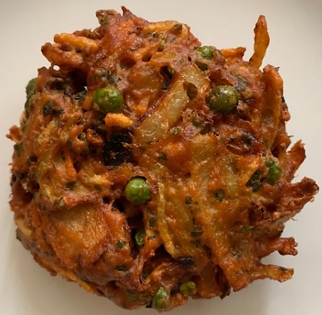

Tray: H320/60 -CLEAR (596) (PKNUT001-05) |  |  |  |  | 10 x HOT & SPICY BHAJI 100G (GFF334R) 1000g
Film: PP340 AF 340mmx500m (PKPRO001-15)
STEP 3
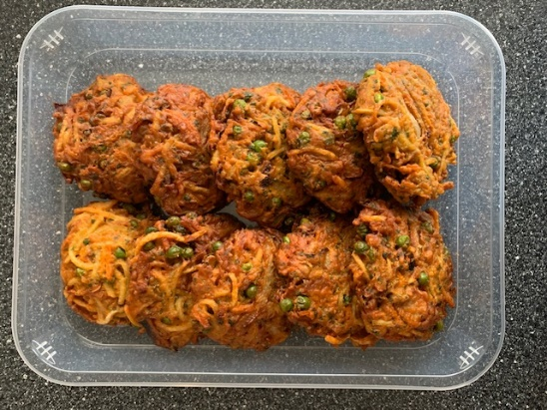

TOTAL WEIGHT: 1000g

ALLERGY ALERT: NONE

